1. Title Page
[Instacart Basket Analysis]

Project Name: Instacart Basket Analysis
Date: 3/11/2023
Analyst Name: Karin Adamcova

Contents:
Population Flow
Consistency checks
Wrangling steps
Column derivations
Visualizations
Recommendations

Citation: "The Instacart Online Grocery Shopping Dataset 2017”, Accessed from https://www.instacart.com/datasets/grocery-shopping-2017 on March 11, 2023

2. Population Flow
Title page

Population flow

Exclusion flag
Condition: max_order < 5
Obervations to be removed: 14460355
Final total count of order_products_all: 309 65686

Orders_products_combined
Orders_products_merged
Orders_products_all

Total: 32406041
Total: 32434489
Total: 30965686

1.) The grey boxes in the first row of the population flow represent the original data sets as they were when you downloaded them. In the Total fields you need to add the count of the rows when you imported the data set into Jupyter.
2.) The second row of boxes (coloured) represents the data sets after you manipulated them, e.g., removed missing values and duplicates. In the Total fields you need to add the count of the rows after conducting these operations. This offers a visual oveview of how the data flows throughout the data consistency checks.
3.) The third row, where also the arrows are coloured, represents the merges you performed between the datasets. In the Total fields you need to add the count of the rows in the merged datasets, so that you end up with the final dataset (in the red box). Keep in mind the final dataset should be without exclusions (based on the exclusion flag).

3. Consistency checks
 |  |  |  | Title page
Consistency checks

Dataset | Missing values | Missing values treatment | Duplicates
orders | 206209 | Was made, but I didn´t change anything. | None
products | 16 | A data set was created without the missing values | 5 duplicated found, a new data set was created without duplicates
orders_products_prior | None | None | None
customers | None | None | None
customers | 11259 | first_name - I left them because there are no mising values in the column last_name | None

4. Wrangling steps
 |  |  |  | Title page
Wrangling steps

Columns dropped | Columns renamed | Columns' type changed | Comment/Reason
 | order_dow to orders_day_of_week |  | name was not clear
 |  | orders_id type to string | column acts as key
 |  | user_id type to string | column acts as key
 | First name to first_name |  | more consistent with rest of data
 | Surnam to last_name |  | more consistent and fixed typo
 | fam_status to marital_status |  | easier to understand
 | n_dependants to number_of_dependants |  | clearer
 | Gender to gender |  | consistency
 | Age to age |  | consistency
 | STATE to state |  | consistency
 |  | first_name to string | data types were mixed

first_name |  |  | data privacy
last_name |  |  | data privacy

5. Column derivations
 |  |  |  |  | Title page

Column derivations and aggregations

In this tab you should add tables below that the frequences of flags/label variables that you produced after deriving them. NB: don't do this for continuous variables, only for flags.
Dataset | New column | Column/s it was derived from | Conditions
df_ords_prods_mergd | price_range_loc | prices | prices >15 are high range products | Mid-range product 21861997
 |  |  | prices less than or equals to 15 and greater than 5 are mid range products | Low-range product 10126366
 |  |  | prices less than or equals to 5 are low range products | High-range product 417678

df_ords_prods_mergd | busiest_day | orders_day_of_week | busiest day is day 0, least busy is day 4, rest are regularly busy
 |  |  |  | Regularly busy 22417684
 |  |  |  | Busiest day 6204404
 |  |  |  | Least busy 3783953

df_ords_prods_mergd | busiest_days | orders_day_of_week | 0 and 1 are the busiest days, 4 and 3 are the least busy days, rest are regularly busy | egularly busy 22360936
 |  |  |  | Busiest days 6204404
 |  |  |  | Slowest days 3840701

ords_prods_merge | max_order | user_id
 |  | order_number | max number of orders for each user

ords_prods_merge | loyalty_flag | max_order | If the maximum orders the user has made is over 40, then the customer will be labeled a “Loyal customer.” | Regular customer 15877395
 |  |  | If the maximum orders the user has made is over 10 but less than or equal to 40, then the customer will be labeled a regular customer | Loyal customer 10284396
 |  |  | If the maximum orders the user has made is less than or equal to 10, then the customer will be labeled a new customer | New customer 6244250
ords_prods_merge | mean_prices | prices | mean price of each users orders

ords_prods_merge | Spender_type | mean_price | If the mean of the prices of products purchased by a user is lower than 10, then flag them as a “Low spender.”
 |  |  | If the median of “days_since_prior_order” is higher than 20, then the customer should be labeled a “Non-frequent customer.”
 |  |  | If the median is higher than 10 and lower than or equal to 20, then the customer should be labeled a “Regular customer.”
 |  |  | If the median is lower than or equal to 10, then the customer should be labeled a “Frequent customer.”

ords_prods_merge | median_days_since_prior_order | days_since_prior_order

ords_prods_merge | max_order | user_id | max number of orders for each user

new_data | low_activity_flag | total_orders | low activity customers have less than 5 orders, regular activity customers have greater than 5 orders | normal activity customer 30965686
 |  |  |  | low activity customer 1440355

new_data | region | state | states were divided into their respective regions | Region 3, South 10792300
 |  |  |  | Region 4, West 8293217
 |  |  |  | Region 2, Midwest 7597585
 |  |  |  | Region 1, Northeast 5722939
new_data | age_Range | age | young adults range from 18-24, adults range from 24-64, seniors are over 64 | Adult 14683931
 |  |  |  | Young Adult 9146749
 |  |  |  | Seniors 8575361

new_data | income_category_flag | income | Income categories:
 |  |  | $30,000 or less = Poor,
 |  |  | $30,000-$70,000 Lower Middle Class,
 |  |  | $70,000-$100,000 Middle class,
 |  |  | $100,00-$593,901 Up

6. Visualizations
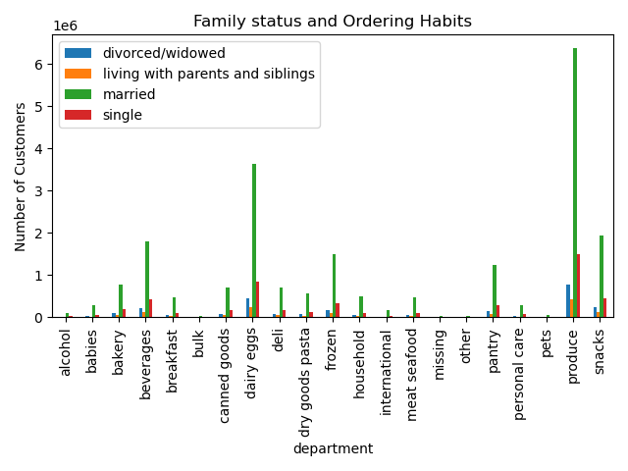
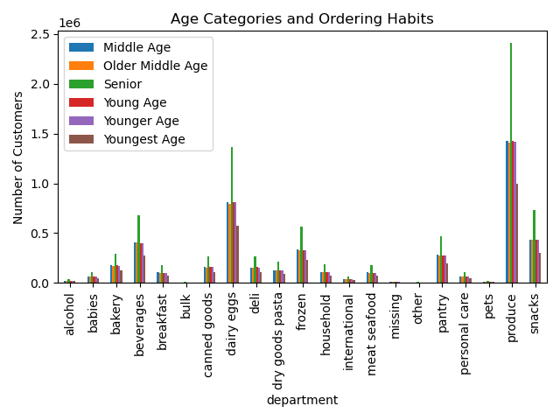
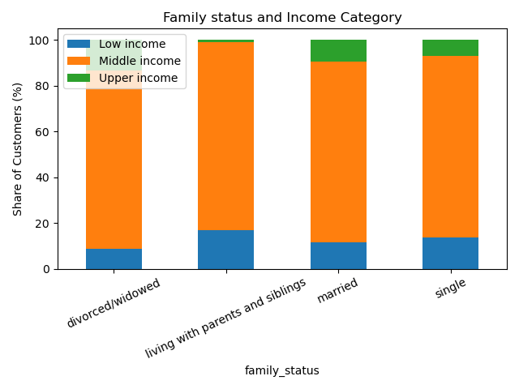
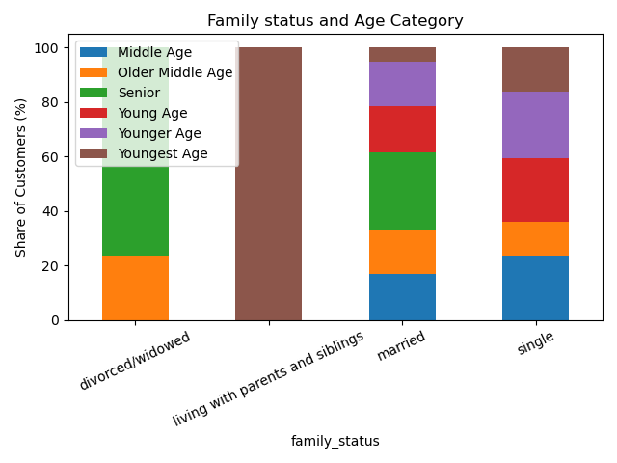
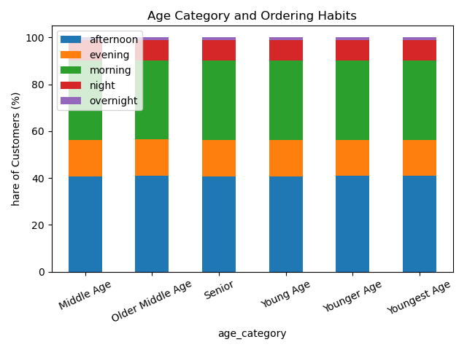
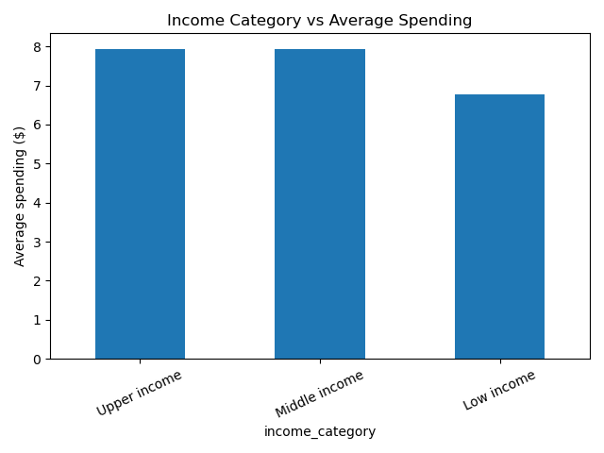
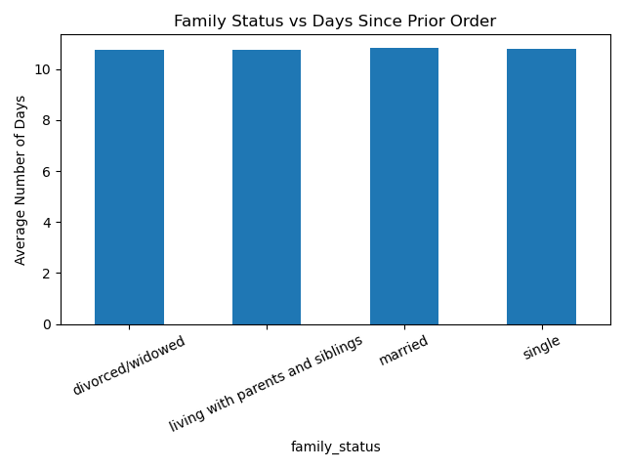
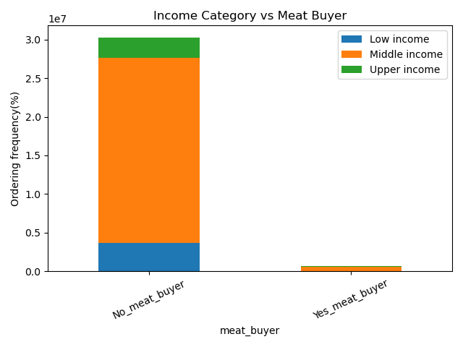
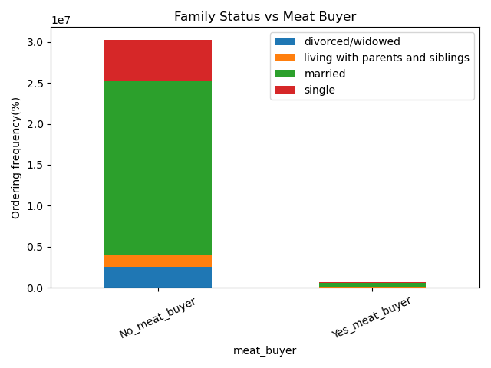
 | Title page

Visualisations

In this tab you should include all the visualtions from Exercises 4.9 and 4.10, alongside the questions from the project brief that they answer. Include any commentary on the relationship between different variables.

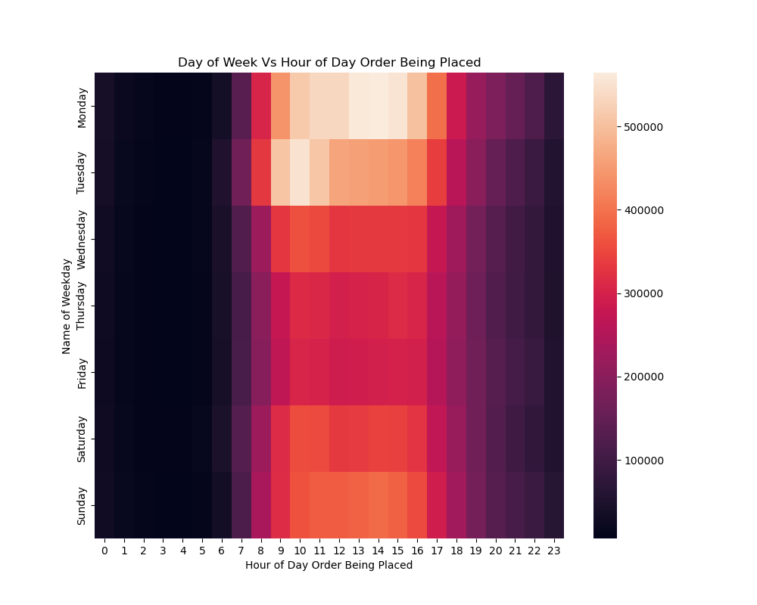

Key Question 1

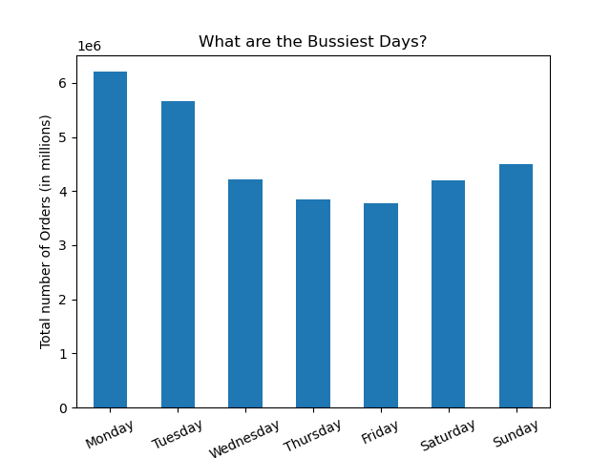


Key Question 2

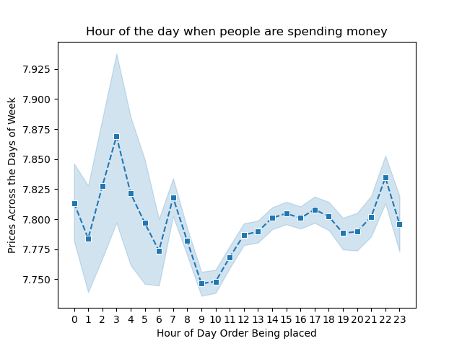
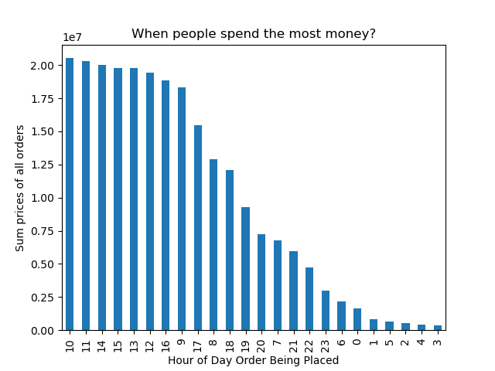

Key Question 3



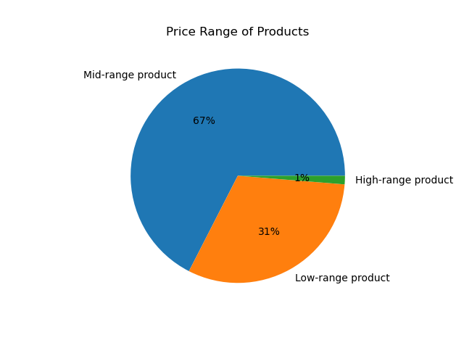

Key Question 4

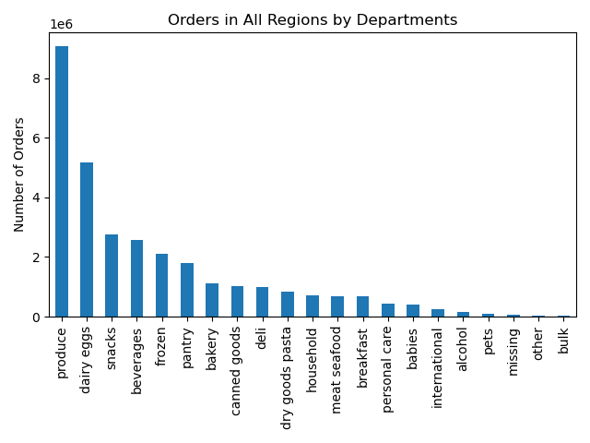
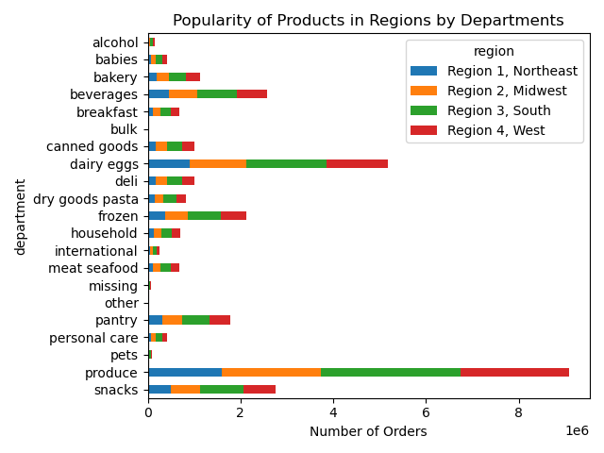

Key Question 5
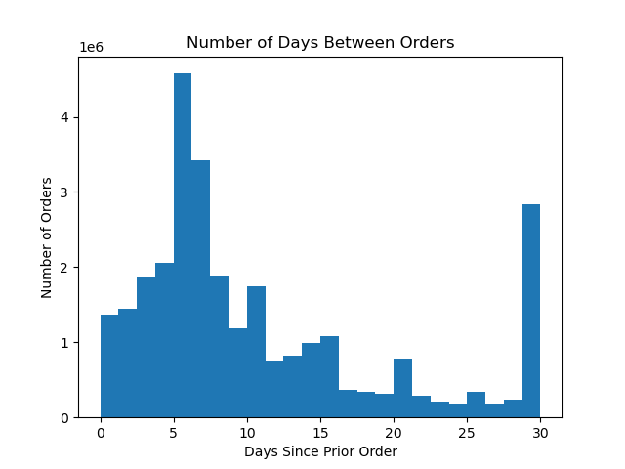

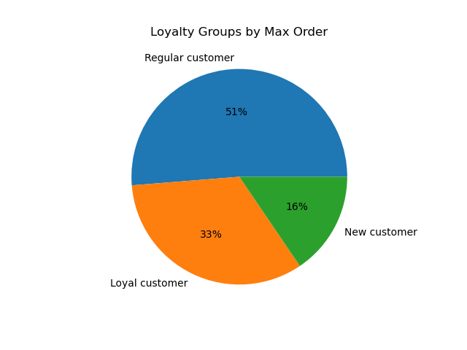

Key Question 6

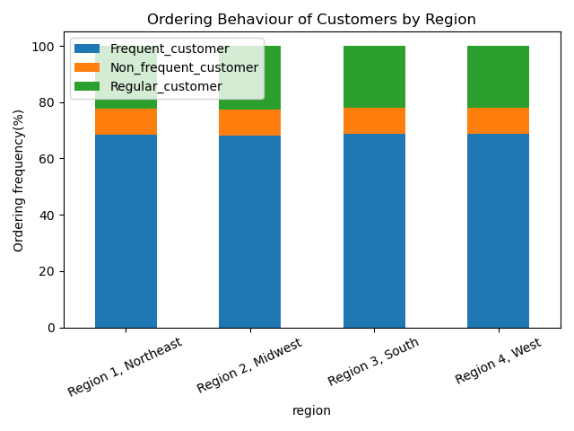

Key Question 7

7. Recommendations
 |  |  |  | Title page

Recommendations

In this tab you should include any recommendations you would made to Instcart in terms of their marketing strategy based on the questions posed in the brief. Every key question has been covered in the Tasks of the Exercises - here you need to add an item - a visualisation or table/crosstable that is showing the answer in the data, acompanied by a comment from you. Please, list the questions below and add the answer underneath.

 | Question | Answer
 | Key Question 1: The sales team needs to know what the busiest days of the week and hours of the day are (i.e., the days and times with the most orders) in order to schedule ads at times when there are fewer orders. | Note: The first weekday is an integer specifying the first day of the week. MONDAY is 0 (the default), and SUNDAY is 6. Ads should be scheduled on days and at times when there are fewer orders. Fewer orders are on Wednesday, Thursday, Friday, Saturday and Sunday. The recommended hours for ads are between 6 p.m. - 8 a.m.(peak hours are between 9 a.m. to 4 p.m.). Orders start decreasing during the weeekdays and after 5 p.m.
 |  | Total Number of Orders:

 |  | 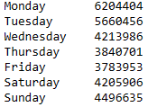

 | Key Question 2: They also want to know whether there are particular times of the day when people spend the most money, as this might inform the type of products they advertise at these times. | Answer People are spending the most money: peaks are at 3 a.m., 7 a.m. and 10 p.m. when looking at prices across the days of the week. The range of the prices is less than one dollar hence there is not a significant difference. The top times of the day when people spend the most money are 10 a.m., 11 a.m., and 2 p.m. when sum prices of all orders.

 | Key Question 3: Instacart has a lot of products with different price tags. Marketing and sales want to use simpler price range groupings to help direct their efforts. | Answer The price range of products is from $1 to $25. Most customers are willing to pay from $1 to $15 for products. Products with a price range from $16 to $25 are ordered rarely and seem to be special or premium products. As a simpler price range groupings could be used: - Price <= $5 : Low-range product - Price > $5 and price <= $15 : Mid-range product - Price > $15 : High-range product Most products (67%) belong to mid_range products with a price >$5 <=15$.
 |  | 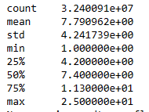 Column price - min, mean, max:

 | Key Question 4: Are there certain types of products that are more popular than others? The marketing and sales teams want to know which departments have the highest frequency of product orders. | Answer The most popular products by the department are: - banana (department: produce) - organic whole milk (department: dairy eggs) - sparkling water grapefruit (department: beverages) The following departments have the highest frequency of product orders: - produce, dairy eggs and snacks Customers from South Region are placing the most orders.
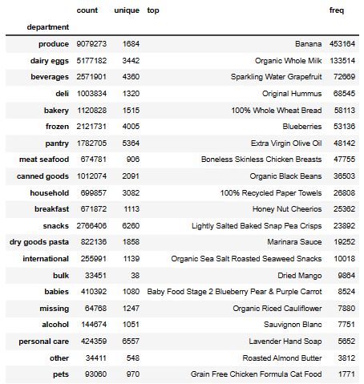
 | Key Question 5: The marketing and sales teams are particularly interested in the different types of customers in their system and how their ordering behaviors differ. What’s the distribution among users in regards to their brand loyalty (i.e., how often do they return to Instacart)? | Answer Brand loyalty groups by max order: - Max order > 40 : Loyal customer (33%) - Max order <= 40 & Max order > 10 : Regular customer (51%) - Max order <= 10 : New customer (16%) Most customers are regular followed by loyal and new customers. There are two categories of customers, one that reorders weekly (at 6th day) and other who reorders monthly (30th day).
 |  | 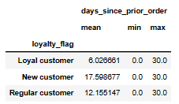
 | Key Question 6: The marketing and sales teams are particularly interested in the different types of customers in their system and how their ordering behaviors differ. Are there differences in ordering habits based on a customer’s region? | Answer Each region's proportion of customers is divided into their frequency of shopping. It stays very consistent across all 4 regions. Ordering habits tend to be more or less the same across all loyalty groups.

 | Key Question 7: The marketing and sales teams are particularly interested in the different types of customers in their system and how their ordering behaviours differ. Is there a connection between age and family status in terms of ordering habits? | Answer Customers in the age category senior (>= 65) are ordering the most. Customers with a family status married are ordering the most. These groups are our major customers. Both seniors and married are ordering most from the same departments and tend to have same product preferences: produce, dairy eggs, snacks , beverages, and frozen.

 | Key Question 7: What different classifications does the demographic information suggest? Age? Income? Certain types of goods? Family status? | Answer The demographic information may suggests these different classifications: Family status and Income category: the majority of customers belong to the middle-income category. Family status and Age category: Senior category consist of married and divorced/widowed. The category Married consists of all age categories. The youngest group category mostly belongs to the category living with parents and siblings. Age category and ordering habits: all age categories have balanced ordering habits. The favourite time for orders is the morning and afternoon.
 |  |  | 
 | Key Question 7: What differences can you find in the ordering habits of different customer profiles? Consider the price of orders, the frequency of orders, the products customers are ordering, and anything else you can think of. | Answer When analyzing income category vs average spending: the average spending is $8 for upper and middle-income categories. 7$ for the low-income category. There is no significant difference. Family status vs days since prior order: all categories in family status have the same reorder day (10th). There is no significant difference. Income category vs Meat Buyer: the majority of customers do not order from the meat seafood department. Family Status vs Meat Buyer: Single and divorced/widowed customer categories are not placing any orders at all in the meat seafood department.

 | Recommendations: Improve scheduling of ad campaigns. Keep the price range groupings in the pricing strategy. Offer promotions and discounts on products from departments with low sales and to new and regular customers. Boost sales with promotions and campaigns between the most sales products and products which we need to boost sales (e.g. meat and seafood products) targeting all customers.

